6.Star Schema
Star Schema

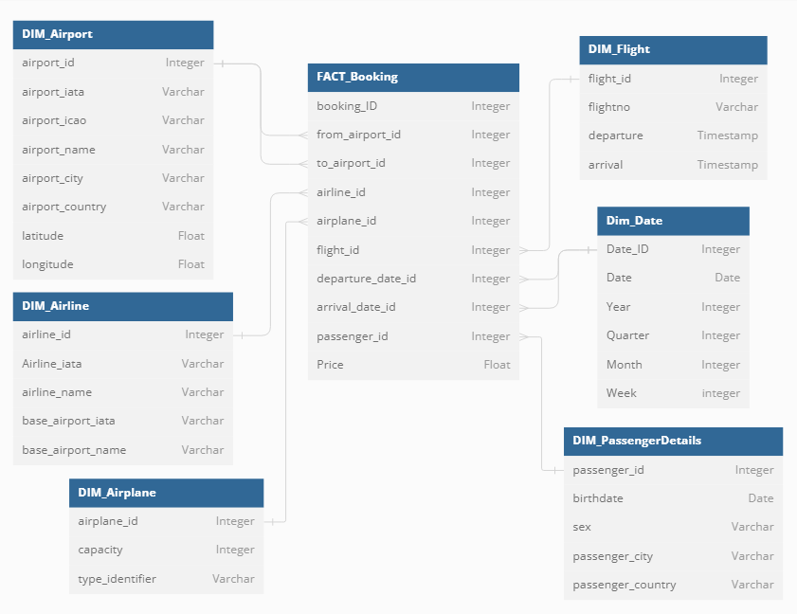
Star Schema Image | Possible Star Schema Queries
 | Sno | Business Question Addressed | SQL query
 | 1 | What is total Revenue amount for the month X for flights from city X ? | SELECT AF.City, D.Year, D.Month, SUM(F.Price) FROM FACT_Booking F JOIN DIM_Airport AF ON F.from_airport_id = AF.airport_ID JOIN DIM_Date D ON F.Date_ID = D.Date_ID WHERE C.City = 'Karachi' AND D.Year = 2015 AND D.Month = 6;
 | 2 | How many passengers tarvelled between airport A and airport B ? (Karachi Jinnah International to Dubai International) | SELECT AF.Airport_IATA AS from_airport_iata, AF.Airport_Name AS from_Airport_Name, AT.Airport_IATA AS to_airport_iata, AT.Airport_Name AS to_Airport_Name, Count(F.Passenger_ID) FROM FACT_Booking F JOIN DIM_Airport AF ON F.from_airport_id = AF.airport_ID JOIN DIM_Airport AT ON F.to_airport_id = AT.airport_ID JOIN DIM_Date D ON F.Date_ID = D.Date_ID WHERE AF.Airport_IATA = 'KHI' AND AT.Airport_IATA = 'DXB'
 | 3 | What is average capacity utlization for Airline X for Week X ? | WITH CTE_1 AS (SELECT AL.Airline_IATA, AL.Airlne_Name, F.Airplane_ID, Count(F.Booking_ID) as Passenger_count FROM FACT_Booking F JOIN DIM_Date D ON F.Date_ID = D.Date_ID JOIN DIM_Airline AL ON F.airline_id = AL.airline_ID WHERE AL.Airline_IATA = 'PA' AND D.Year = 2015 AND D.Week = 4 Group by AL.Airline_IATA, AL.Airlne_Name, F.Airplane_ID) , WITH CTE_2 AS (SELECT F.Airplane_ID, MAX(AP.Capacity) as Airplane_Capacity FROM FACT_Booking F JOIN DIM_Date D ON F.Date_ID = D.Date_ID JOIN DIM_Airline AL ON F.airline_id = AL.airline_ID JOIN DIM_Airplane AP ON F.airplane_id = AP.airplane_ID WHERE AL.Airline_IATA = 'PA' AND D.Year = 2015 AND D.Week = 4 Group by F.Airplane_ID) SELECT CTE_1.Airline_IATA, CTE_1.Airlne_Name, Average(CTE_1.Passenger_count/CTE_2.Airplane_Capacity) FROM CTE_1, CTE_2 WHERE CTE_1.Airplane_ID = CTE_2.Airplane_ID GROUP BY CTE_1.Airline_IATA, CTE_1.Airlne_Name
 | 4 | What is the gender ratio of passengers ? | SELECT SUM(CASE WHEN P.sex = 'm' THEN 1 ELSE 0 END)/Count(F.Passenger_ID) AS ratio_men, SUM(CASE WHEN P.sex = 'w' THEN 1 ELSE 0 END)/Count(F.Passenger_ID) AS ratio_women FROM FACT_Booking F JOIN DIM_Passenger_Details P ON F.passenger_id = P.Passenger_ID

